Лист1
Task | Solution |  | Database tables
Display the list of titles of all films of 2010 | 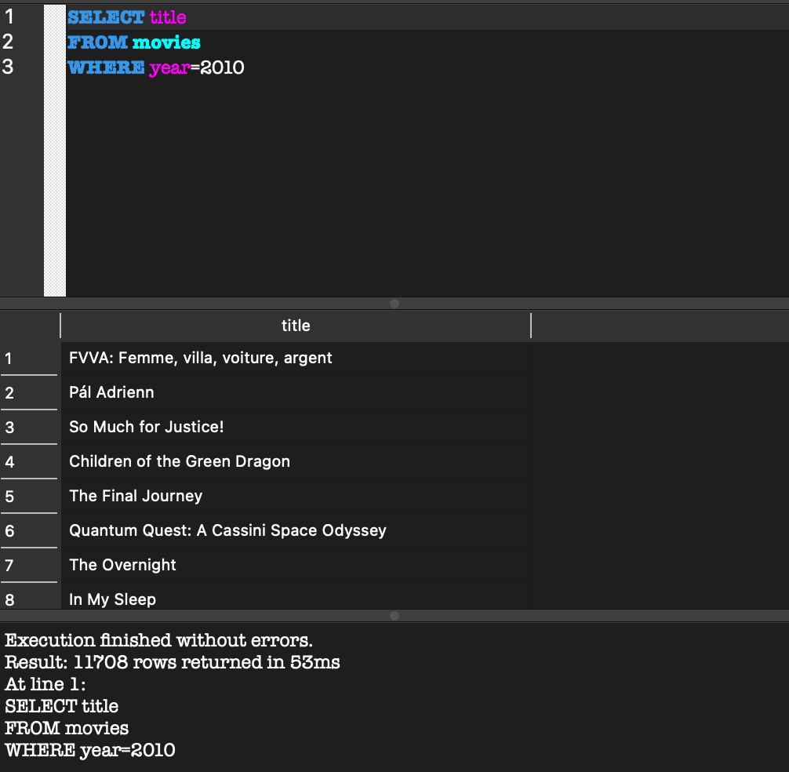 | 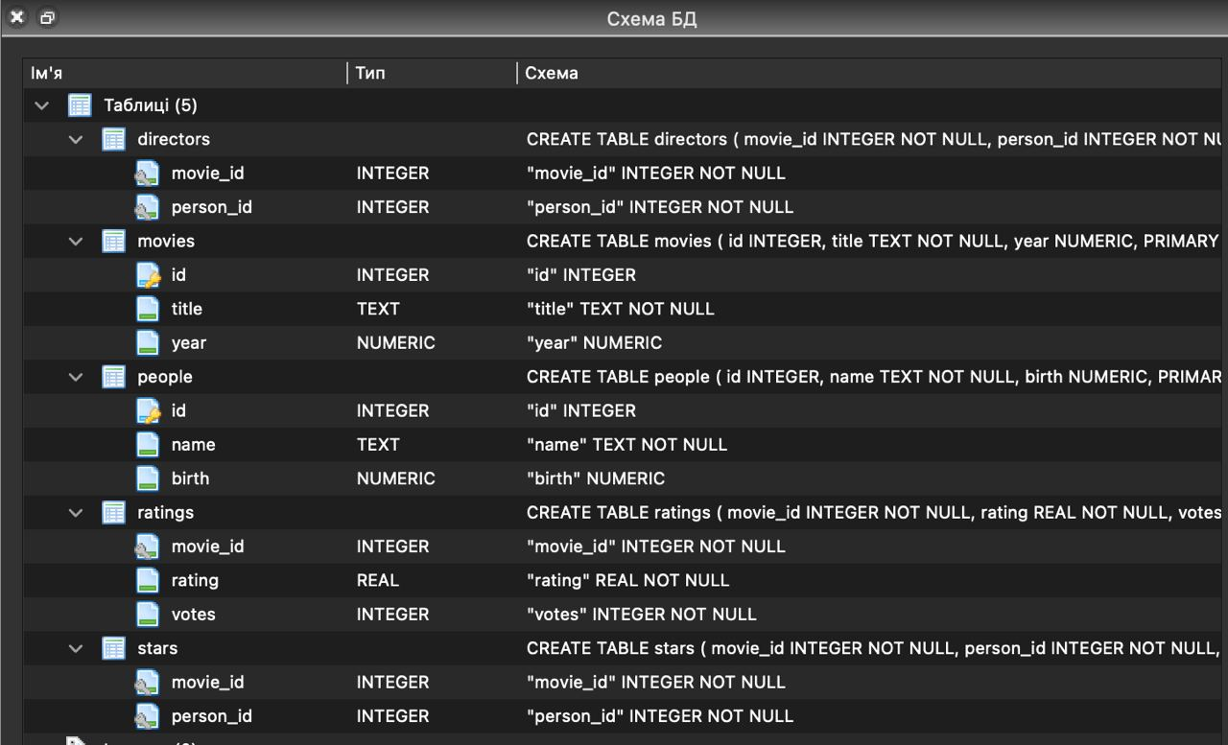
Display the year of birth of the actress Emma Stone | 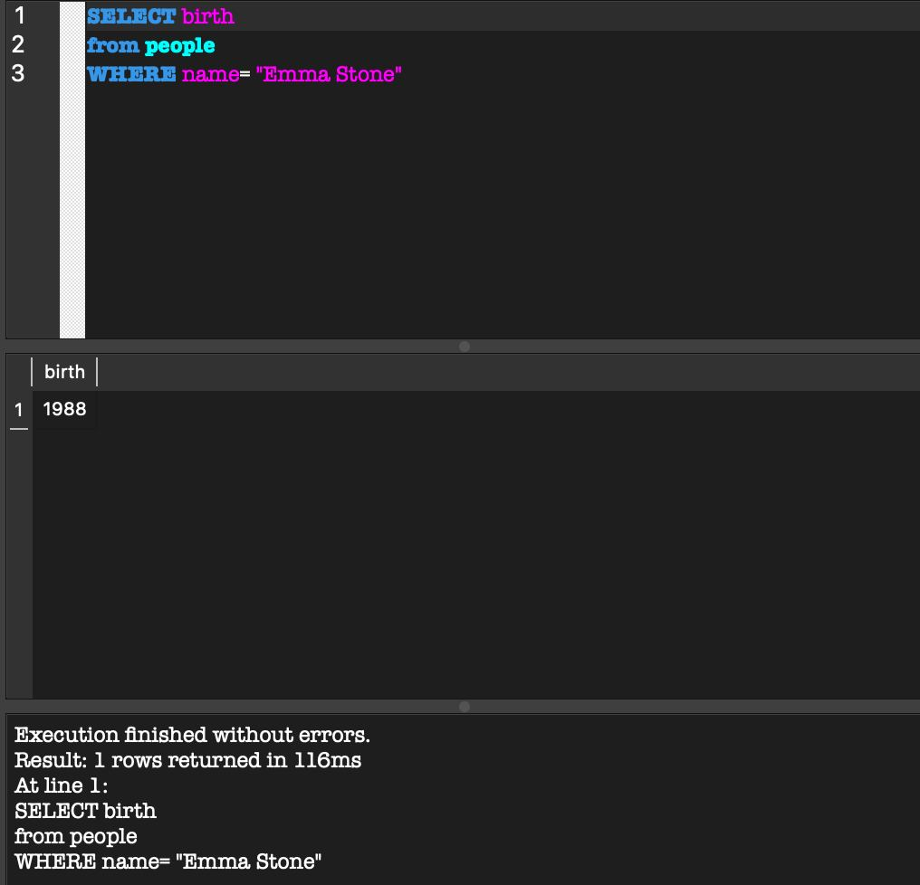
List all movies released in or after 2018 in alphabetical order | 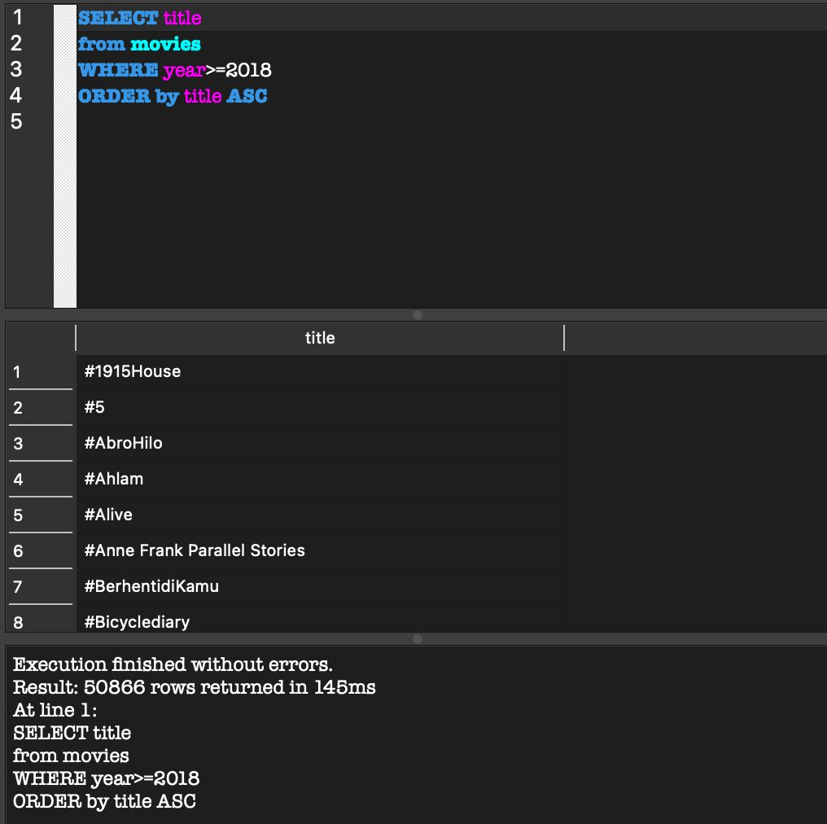
Display the number of films with a rating of 10.0 | 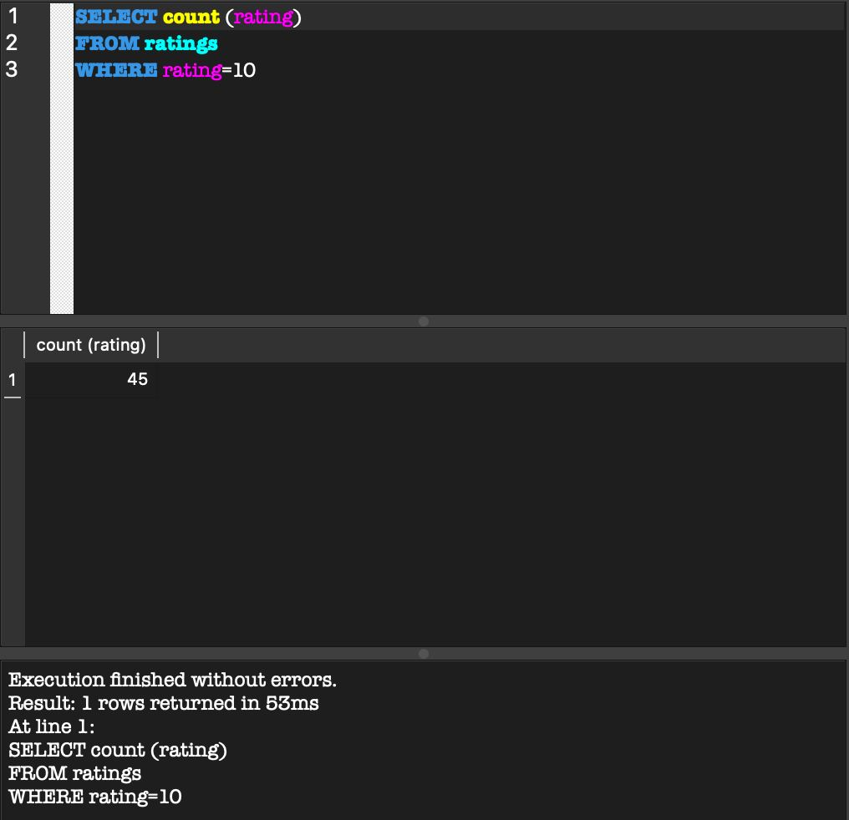
Display the names of films with a rating of 10.0 | 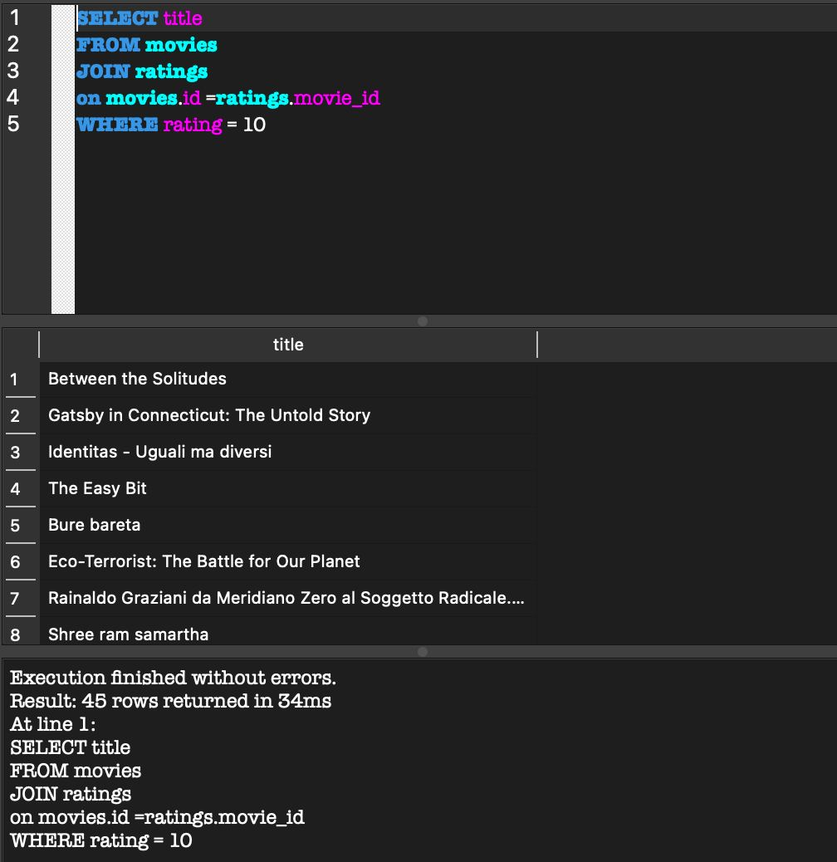
Display a list of all Harry Potter movies in chronological order | 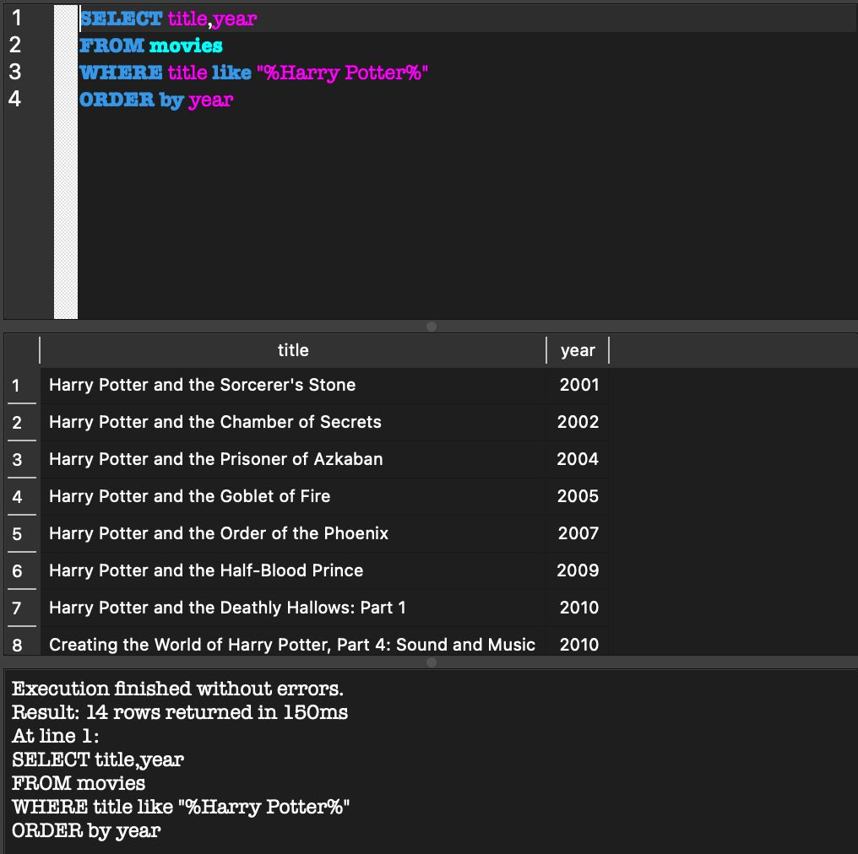
Display the average rating of all films of 2012 | 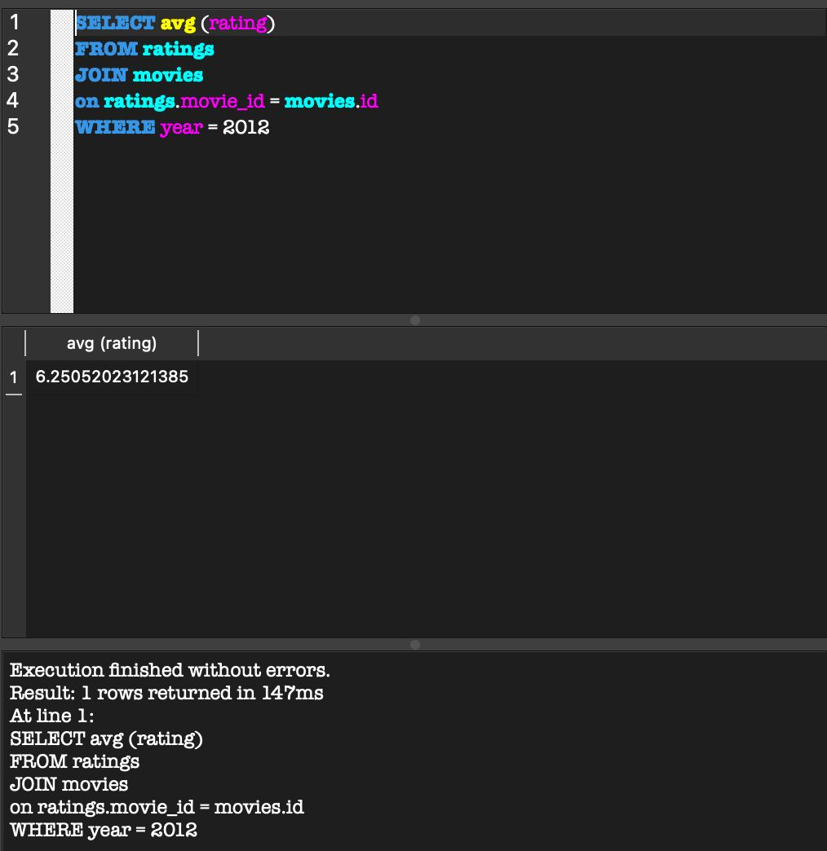
Display the names of all the actors who played in Toy Story | 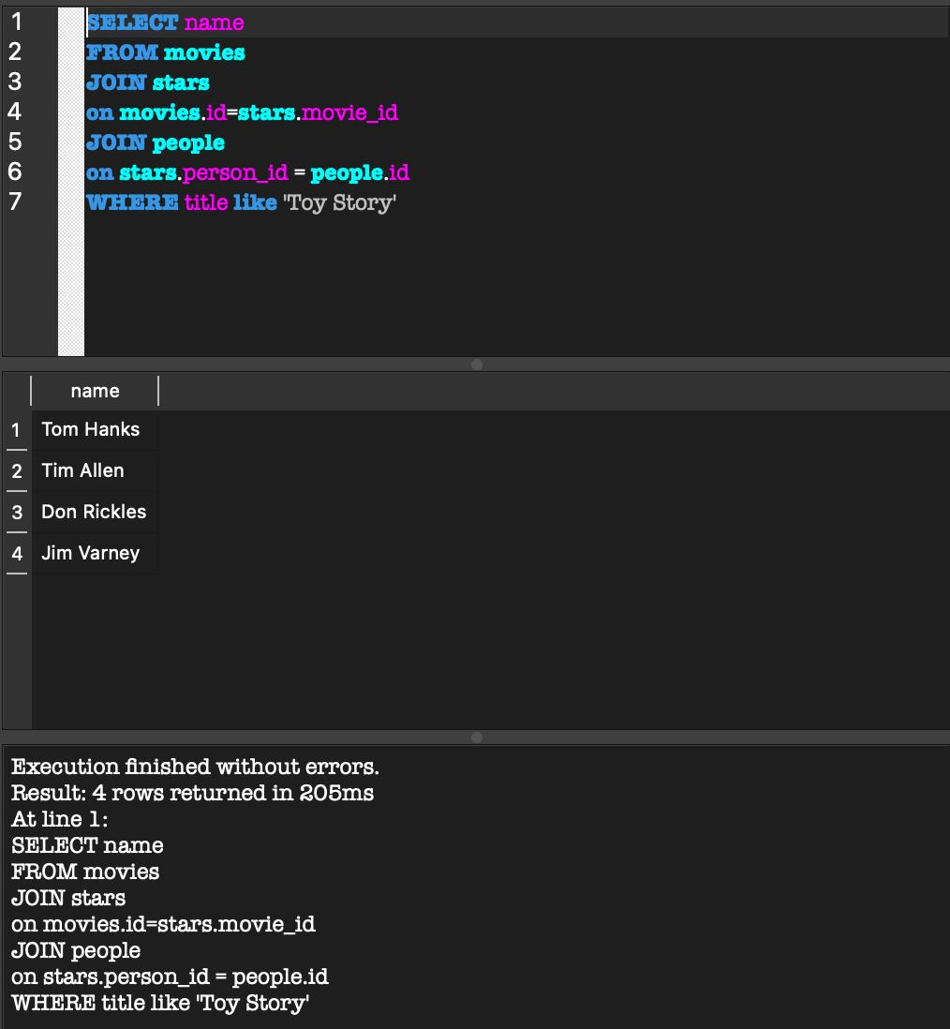
Output the name and year of birth of the director of Toy Story | 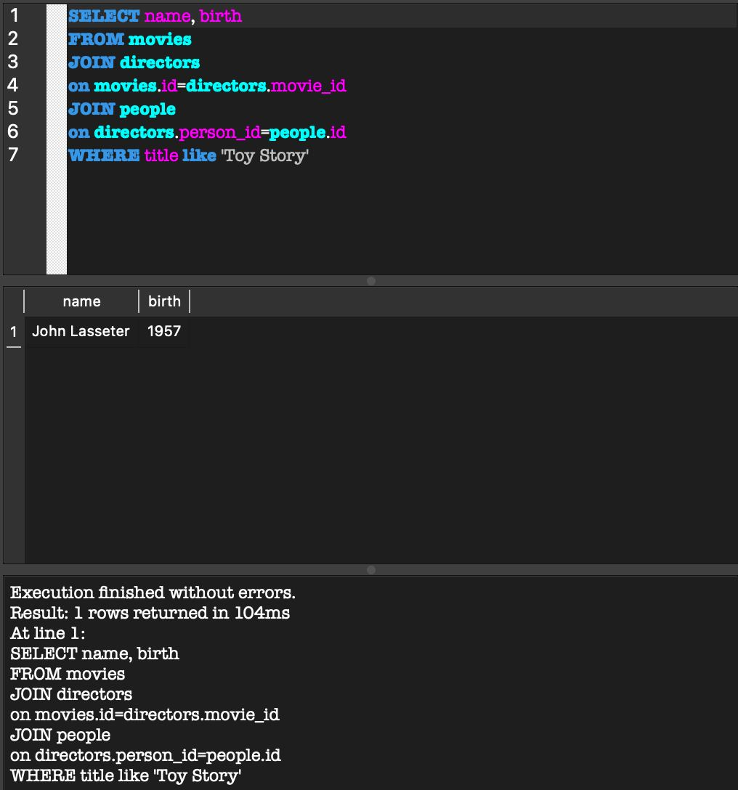
Display 5 movies with the highest rating where Brad Pitt played | 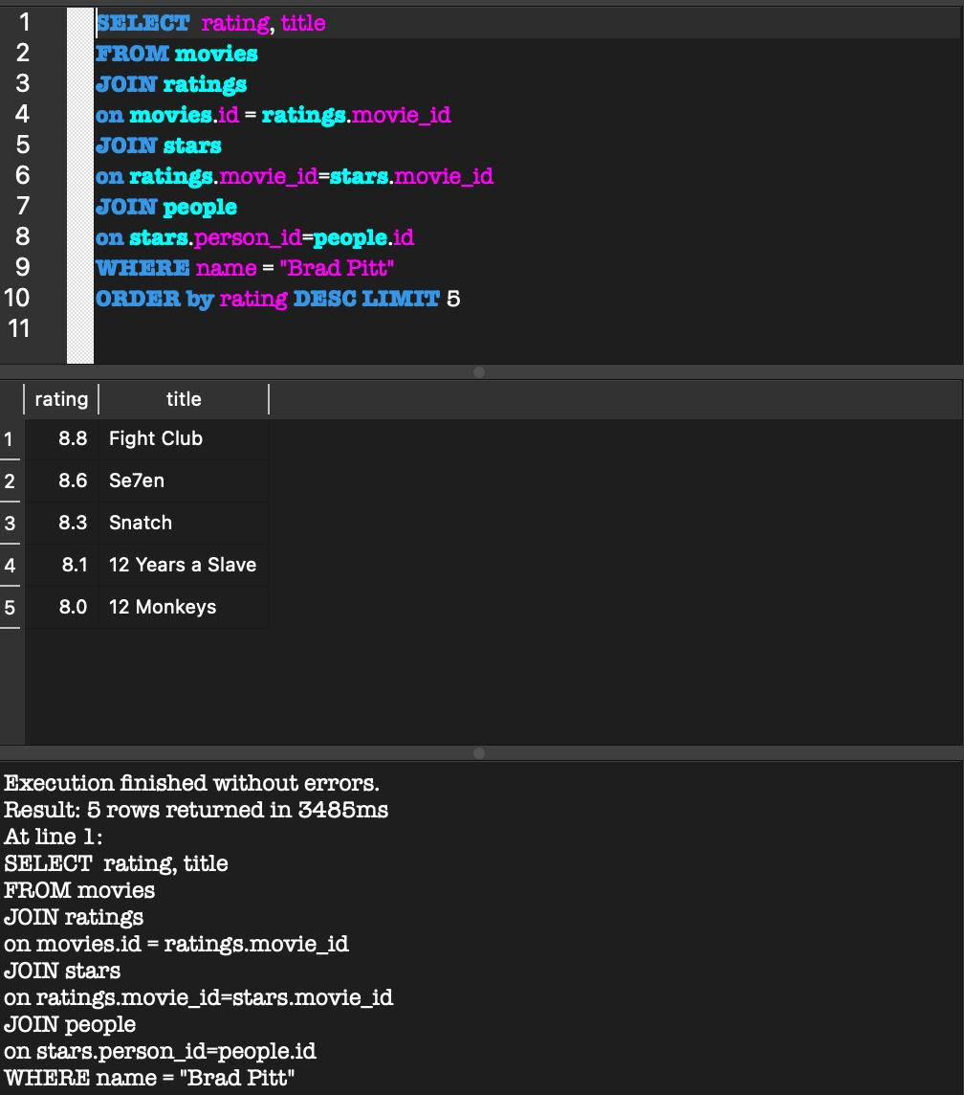
Display all movies where Brad Pitt and Angelina Jolie played together | 